Title
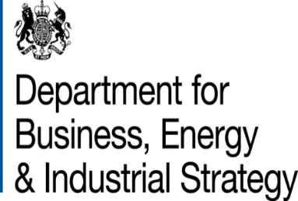
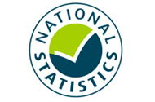

 | Sub-national total final energy consumption
 | in the United Kingdom
 | (2005 - 2017)

This workbook was updated in September 2019

